Table S1
Table S1. RepeatMasker summary and removal of subfamily duplicates. Grey highlights RepBase (Jurka et al. 2005) or Ray and Batzer 2005 subfamilies; green, purple, blue and orange highlight the lineage-specific subfamilies from the marmoset, squirrel monkey, owl monkey and capuchin monkey genomes, respectively. Red highlighted subfamilies have been removed as duplicates.
Original designation | RepeatMasker subgroup
AluJb | Jb
sf9 | Jb
sf22 | Jb
sf24 | Jb
sf56 | Jb
sf78 | Jb
sf87 | Jb
sf88 | Jb
sf92 | Jb
AluJo | Jo
sf2 | Jo
sf21 | Jo
sf57 | Jo
sf89 | Jo
AluJr | Jr
sf23 | Jr
sf40 | Jr
sf41 | Jr
sf45 | Jr
sf58 | Jr
sf67 | Jr
sf68 | Jr
sf70 | Jr
sf79 | Jr
sf83 | Jr
AluJr4 | Jr4
AluSc | Sc
subfamily8_jb | Sc
subfamily28_jb | Sc
subfamily35_jb | Sc
subfamily38_jb | Sc
subfamily1_Ceb | Sc
subfamily6_Ceb | Sc
subfamily7_Ceb | Sc
subfamily1_Owl | Sc
subfamily5_Owl | Sc
subfamily7_Owl | Sc
subfamily12_Owl | Sc
subfamily13_Owl | Sc
subfamily14_Owl | Sc
subfamily21_Owl | Sc
subfamily26_Owl | Sc
sf3 | Sc
sf12 | Sc
sf54 | Sc
sf64 | Sc
sf81 | Sc
sf84 | Sc
sf90 | Sc
AluSc5 | Sc5
AluSc8 | Sc8
sf35 | Sc8
AluSg | Sg
subfamily20_jb | Sg
subfamily22_Owl | Sg
sf18 | Sg
sf34 | Sg
AluSg4 | Sg4
subfamily3_jb | Sg4
subfamily4_Owl | Sg4
AluSg7 | Sg7
sf17 | Sg7
sf55 | Sg7
AluSp | Sp
sf15_31 | Sp
sf72 | Sp
AluSq | Sq
sf32 | Sq
AluSq10 | Sq10
AluSq2 | Sq2
sf14 | Sq2
sf16 | Sq2
sf29 | Sq2
sf33 | Sq2
sf80 | Sq2
AluSq4 | Sq4
AluSx | Sx
sf8 | Sx
sf26 | Sx
sf30 | Sx
sf75 | Sx
sf93 | Sx
AluSx1 | Sx1
sf19 | Sx1
sf48 | Sx1
sf59 | Sx1
AluSx3 | Sx3
sf91 | Sx3
AluSx4 | Sx4
AluSz | Sz
sf7 | Sz
sf77 | Sz
AluSz6 | Sz6
sf25 | Sz6
sf28 | Sz6
sf50 | Sz6
AluTa10 | Ta10
subfamily1_jb | Ta10
subfamily6_jb | Ta10
subfamily7_jb | Ta10
subfamily9_jb | Ta10
subfamily11_jb | Ta10
subfamily17_jb | Ta10
subfamily21_jb | Ta10
subfamily22_jb | Ta10
subfamily23_jb | Ta10
subfamily25_jb | Ta10
subfamily26_jb | Ta10
subfamily27_jb | Ta10
subfamily31_jb | Ta10
subfamily33_jb | Ta10
subfamily34_jb | Ta10
subfamily40_jb | Ta10
subfamily41_jb | Ta10
subfamily42_jb | Ta10
subfamily44_jb | Ta10
subfamily45_jb | Ta10
subfamily3_Ceb | Ta10
subfamily5_Ceb | Ta10
subfamily3_Owl | Ta10
subfamily8_Owl | Ta10
subfamily11_Owl | Ta10
subfamily15_Owl | Ta10
subfamily16_Owl | Ta10
subfamily29_Owl | Ta10
sf10 | Ta10
sf39 | Ta10
sf61 | Ta10
sf69 | Ta10
AluTa15 | Ta15
subfamily0_jb | Ta15
subfamily2_jb | Ta15
subfamily4_jb | Ta15
subfamily5_jb | Ta15
subfamily10_jb | Ta15
subfamily12_jb | Ta15
subfamily13_jb | Ta15
subfamily14_jb | Ta15
subfamily15_jb | Ta15
subfamily16_jb | Ta15
subfamily18_jb | Ta15
subfamily19_jb | Ta15
subfamily24_jb | Ta15
subfamily29_jb | Ta15
subfamily30_jb | Ta15
subfamily32_jb | Ta15
subfamily36_jb | Ta15
subfamily37_jb | Ta15
subfamily39_jb | Ta15
subfamily43_jb | Ta15
subfamily2_Ceb | Ta15
subfamily4_Ceb | Ta15
subfamily8_Ceb | Ta15
subfamily9_Owl | Ta15
subfamily10_Owl | Ta15
subfamily17_Owl | Ta15
subfamily18_Owl | Ta15
subfamily19_Owl | Ta15
subfamily20_Owl | Ta15
subfamily23_Owl | Ta15
subfamily24_Owl | Ta15
subfamily25_Owl | Ta15
sf4 | Ta15
sf5 | Ta15
sf11 | Ta15
sf36 | Ta15
sf37 | Ta15
sf38 | Ta15
sf42 | Ta15
sf43 | Ta15
sf44 | Ta15
sf46 | Ta15
sf47 | Ta15
sf51 | Ta15
sf52 | Ta15
sf53 | Ta15
sf60 | Ta15
sf62 | Ta15
sf63 | Ta15
sf65 | Ta15
sf66 | Ta15
sf71 | Ta15
sf73 | Ta15
sf76 | Ta15
sf82 | Ta15
sf85 | Ta15
sf86 | Ta15
AluTa7 | Ta7
sf74 | Ta7
AluJr_sf6 | Same as AluJr
AluSq2_sf13 | Same as AluSq2
subfamily0_Owl | Same as AluTa15
subfamily27_Owl | Same as sf63
subfamily2_Owl | Same as subfamily0_JB
subfamily28_Owl | Same as subfamily2_Owl
subfamily6_Owl | Same as subfamily6_JB
subfamily0_Ceb | Same as subfamiy0_JB

Table S3 & S4
 | Table S3. Number of Lineage specific Alu insertions by Subfamily from 189 |  |  |  |  |  | Table S4. Lineage Specific Alu elements by major subfamilies from 189 Subfamily network
 | Subfamily | Derived from | marmoset | Squirrel monkey | Owl monkey | capuchin |  | Marmoset | Owl | Squirrel | Capuchin
1 | AluJb | AluJb | 1 | n/a | 1 | n/a | AluJ (Jb, Jo, Jr and Jr4) | 1 | 2 | 1 | 0
2 | AluJo | AluJo | n/a | n/a | n/a | n/a | AluS oldest (Sp, Sq, Sq2, Sq10, Sx, Sx1, Sx3, Sx4, Sz, Sz6) | 17 | 81 | 16 | 18
3 | AluJr | AluJr | n/a | n/a | 1 | n/a | AluS intermediate (Sg, Sg4, Sg7) | 12 | 22 | 7 | 7
4 | AluJr4 | AluJr4 | n/a | n/a | n/a | n/a | AluS young (Sc, Sc5 and Sc8) | 133 | 390 | 26 | 145
5 | AluSc | AluSc | 1 | n/a | 252 | 94 | AluTa7 (& sf74 between Sc & Ta7) | 227 | 165 | 93 | 65
6 | AluSc5 | AluSc5 | n/a | n/a | 5 | 5 | AluTa10 & derived | 2895 | 1567 | 474 | 420
7 | AluSc8 | AluSc8 | n/a | 1 | 37 | 24 | AluTa15 & derived | 14959 | 9862 | 9671 | 7897
8 | AluSg | AluSg | 1 | 1 | 7 | 2
9 | AluSg4 | AluSg4 | 1 | n/a | 7 | 4 | Total number of lineage specific Alu elements per genome | 18244 | 12089 | 10288 | 8552
This table is the summary of Table S3.
10 | AluSg7 | AluSg7 | n/a | n/a | 2 | 1
11 | AluSp | AluSp | 3 | 1 | 6 | 7
12 | AluSq | AluSq | n/a | n/a | 2 | n/a
13 | AluSq10 | AluSq10 | n/a | n/a | n/a | n/a
14 | AluSq2 | AluSq2 | 1 | n/a | 10 | 4
15 | AluSq4 | AluSq4 | n/a | n/a | 2 | n/a
16 | AluSx | AluSx | 1 | n/a | 3 | 1
17 | AluSx1 | AluSx1 | 2 | n/a | 3 | n/a
18 | AluSx3 | AluSx3 | n/a | n/a | 2 | 5
19 | AluSx4 | AluSx4 | 1 | n/a | 1 | 1
20 | AluSz | AluSz | n/a | 1 | 1 | n/a
21 | AluSz6 | AluSz6 | n/a | n/a | n/a | n/a
22 | AluTa10 | AluTa10 | 187 | 16 | 731 | 239
23 | AluTa15 | AluTa15 | 1708 | 433 | 2275 | 898
24 | AluTa7 | AluTa7 | 137 | 77 | 131 | 50
25 | sf10 | Ta10 | 156 | 2 | 201 | 22
26 | sf11 | Ta15 | 76 | 1 | 3 | n/a
27 | sf12 | Sc | 1 | 1 | 7 | 1
28 | sf14 | Sq2 | n/a | n/a | 1 | n/a
29 | sf15_31 | Sp | 5 | 2 | n/a | n/a
30 | sf16 | Sq2 | n/a | n/a | n/a | n/a
31 | sf17 | Sg7 | n/a | n/a | n/a | n/a
32 | sf18 | Sg | 1 | 1 | n/a | n/a
33 | sf19 | Sx1 | n/a | n/a | n/a | n/a
34 | sf2 | Jo | n/a | n/a | n/a | n/a
35 | sf21 | Jo | n/a | n/a | n/a | n/a
36 | sf22 | Jb | n/a | n/a | n/a | n/a
37 | sf23 | Jr | n/a | n/a | n/a | n/a
38 | sf24 | Jb | n/a | n/a | n/a | n/a
39 | sf25 | Sz6 | n/a | 1 | n/a | n/a
40 | sf26 | Sx | n/a | n/a | n/a | n/a
41 | sf28 | Sz6 | 1 | n/a | n/a | n/a
42 | sf29 | Sq2 | n/a | n/a | n/a | n/a
43 | sf3 | Sc | 1 | n/a | n/a | 1
44 | sf30 | Sx | n/a | n/a | n/a | n/a
45 | sf32 | Sq | n/a | n/a | n/a | n/a
46 | sf33 | Sq2 | 1 | 1 | n/a | n/a
47 | sf34 | Sg | n/a | n/a | n/a | n/a
48 | sf35 | Sc8 | 2 | n/a | n/a | 1
49 | sf36 | Ta15 | 183 | 63 | 103 | 156
50 | sf37 | Ta15 | 927 | 120 | 93 | 108
51 | sf38 | Ta15 | 339 | 158 | 238 | 113
52 | sf39 | Ta10 | 50 | 3 | 87 | 4
53 | sf4 | Ta15 | 530 | 12 | 8 | 1
54 | sf40 | Jr | n/a | n/a | n/a | n/a
55 | sf41 | Jr | n/a | n/a | n/a | n/a
56 | sf42 | Ta15 | 271 | 38 | 56 | 61
57 | sf43 | Ta15 | 21 | 1 | n/a | n/a
58 | sf44 | Ta15 | 2466 | 744 | 3673 | 1463
59 | sf45 | Jr | n/a | n/a | n/a | n/a
60 | sf46 | Ta15 | 213 | 149 | 97 | 180
61 | sf47 | Ta15 | 284 | 125 | 184 | 150
62 | sf48 | Sx1 | n/a | n/a | n/a | n/a
63 | sf5 | Ta15 | 159 | 1 | 1 | n/a
64 | sf50 | Sz6 | n/a | 8 | 50 | n/a
65 | sf51 | Ta15 | 272 | 85 | 77 | 63
66 | sf52 | Ta15 | 162 | 3 | 28 | 124
67 | sf53 | Ta15 | 153 | n/a | n/a | 5
68 | sf54 | Sc | 1 | n/a | n/a | n/a
69 | sf55 | Sg7 | n/a | n/a | n/a | n/a
70 | sf56 | Jb | n/a | n/a | n/a | n/a
71 | sf57 | Jo | n/a | n/a | n/a | n/a
72 | sf58 | Jr | n/a | n/a | n/a | n/a
73 | sf59 | Sx1 | n/a | 1 | n/a | n/a
74 | sf60 | Ta15 | 134 | 18 | 77 | 29
75 | sf61 | Ta10 | 83 | n/a | 2 | n/a
76 | sf62 | Ta15 | 125 | 61 | 102 | 232
77 | sf63 | Ta15 | 303 | 294 | 1132 | 2760
78 | sf64 | Sc | n/a | 4 | n/a | n/a
79 | sf65 | Ta15 | 64 | n/a | 6 | 8
80 | sf66 | Ta15 | 123 | 78 | 43 | 57
81 | sf67 | Jr | n/a | n/a | n/a | n/a
82 | sf68 | Jr | n/a | n/a | n/a | n/a
83 | sf69 | Ta10 | 86 | 2 | 303 | 32
84 | sf7 | Sz | n/a | n/a | n/a | n/a
85 | sf70 | Jr | n/a | n/a | n/a | n/a
86 | sf71 | Ta15 | 124 | 50 | 40 | 65
87 | sf72 | Sp | 1 | n/a | n/a | n/a
88 | sf73 | Ta15 | 193 | 171 | 149 | 100
89 | sf74 | Ta7 | 90 | 16 | 34 | 15
90 | sf75 | Sx | n/a | n/a | n/a | n/a
91 | sf76 | Ta15 | 191 | 34 | 109 | 37
92 | sf77 | Sz | n/a | n/a | n/a | n/a
93 | sf78 | Jb | n/a | n/a | n/a | n/a
94 | sf79 | Jr | n/a | n/a | n/a | n/a
95 | sf8 | Sx | n/a | n/a | n/a | n/a
96 | sf80 | Sq2 | n/a | n/a | n/a | n/a
97 | sf81 | Sc | n/a | n/a | n/a | n/a
98 | sf82 | Ta15 | 353 | 405 | 221 | 625
99 | sf83 | Jr | n/a | n/a | n/a | n/a
100 | sf84 | Sc | n/a | n/a | n/a | n/a
101 | sf85 | Ta15 | 160 | 33 | 70 | 32
102 | sf86 | Ta15 | 257 | 84 | 197 | 232
103 | sf87 | Jb | n/a | n/a | n/a | n/a
104 | sf88 | Jb | n/a | n/a | n/a | n/a
105 | sf89 | Jo | n/a | n/a | n/a | n/a
106 | sf9 | Jb | n/a | n/a | n/a | n/a
107 | sf90 | Sc | n/a | 1 | n/a | n/a
108 | sf91 | Sx3 | 1 | 1 | n/a | n/a
109 | sf92 | Jb | n/a | 1 | n/a | n/a
110 | sf93 | Sx | n/a | n/a | n/a | n/a
111 | subfamily0_JB | Ta15 | 4223 | 4819 | 14 | 61
112 | subfamily1_Ceb | Sc | 4 | n/a | n/a | n/a
113 | subfamily1_JB | Ta10 | 128 | 41 | n/a | n/a
114 | subfamily1_Owl | Sc | 12 | 2 | 1 | n/a
115 | subfamily10_JB | Ta15 | 19 | 15 | 1 | n/a
116 | subfamily10_Owl | Ta15 | 6 | 35 | 18 | n/a
117 | subfamily11_JB | Ta10 | 4 | n/a | n/a | n/a
118 | subfamily11_Owl | Ta10 | 12 | 11 | 32 | 5
119 | subfamily12_JB | Ta15 | 38 | 54 | n/a | 1
120 | subfamily12_Owl | Sc | 1 | 1 | 6 | n/a
121 | subfamily13_JB | Ta15 | 29 | 10 | 4 | 3
122 | subfamily13_Owl | Sc | 6 | 2 | 7 | 1
123 | subfamily14_JB | Ta15 | 25 | 32 | n/a | n/a
124 | subfamily14_Owl | Sc | 5 | n/a | 7 | n/a
125 | subfamily15_JB | Ta15 | n/a | 10 | n/a | n/a
126 | subfamily15_Owl | Ta10 | 219 | 22 | 36 | n/a
127 | subfamily16_JB | Ta15 | 25 | 36 | 1 | n/a
128 | subfamily16_Owl | Ta10 | 25 | 10 | 7 | n/a
129 | subfamily17_JB | Ta10 | 19 | 7 | 2 | n/a
130 | subfamily17_Owl | Ta15 | n/a | 3 | 183 | n/a
131 | subfamily18_JB | Ta15 | 80 | 127 | 4 | 4
132 | subfamily18_Owl | Ta15 | n/a | 1 | 2 | n/a
133 | subfamily19_JB | Ta15 | 4 | 11 | n/a | n/a
134 | subfamily19_Owl | Ta15 | n/a | 4 | 92 | n/a
135 | subfamily2_Ceb | Ta15 | n/a | 1 | n/a | 265
136 | subfamily2_JB | Ta15 | 14 | 79 | n/a | n/a
137 | subfamily20_JB | Sg | 2 | 1 | n/a | n/a
138 | subfamily20_Owl | Ta15 | 3 | 1 | 269 | n/a
139 | subfamily21_JB | Ta10 | 21 | 43 | 1 | n/a
140 | subfamily21_Owl | Sc | 15 | 1 | 12 | n/a
141 | subfamily22_JB | Ta10 | 185 | 29 | 6 | 3
142 | subfamily22_Owl | Sg | 2 | n/a | 5 | n/a
143 | subfamily23_JB | Ta10 | 12 | 15 | 3 | n/a
144 | subfamily23_Owl | Ta15 | 19 | 22 | 90 | n/a
145 | subfamily24_JB | Ta15 | 521 | 187 | 17 | 11
146 | subfamily24_Owl | Ta15 | n/a | n/a | 163 | n/a
147 | subfamily25_JB | Ta10 | 38 | 40 | n/a | 6
148 | subfamily25_Owl | Ta15 | n/a | 4 | 15 | n/a
149 | subfamily26_JB | Ta10 | 1 | 11 | n/a | n/a
150 | subfamily26_Owl | Sc | 6 | n/a | 1 | n/a
151 | subfamily27_JB | Ta10 | 9 | 14 | n/a | n/a
152 | subfamily28_JB | Sc | 5 | 2 | 2 | 1
153 | subfamily29_JB | Ta15 | 8 | 4 | n/a | n/a
154 | subfamily29_Owl | Ta10 | 36 | 12 | 44 | 2
155 | subfamily3_Ceb | Ta10 | 14 | n/a | n/a | 59
156 | subfamily3_JB | Sg4 | 2 | 4 | 1 | n/a
157 | subfamily3_Owl | Ta10 | 184 | 43 | 7 | 4
158 | subfamily30_JB | Ta15 | 2 | 24 | 4 | n/a
159 | subfamily31_JB | Ta10 | 624 | 11 | n/a | 2
160 | subfamily32_JB | Ta15 | n/a | 13 | n/a | n/a
161 | subfamily33_JB | Ta10 | 22 | 32 | n/a | 1
162 | subfamily34_JB | Ta10 | 2 | 14 | 1 | 1
163 | subfamily35_JB | Sc | 34 | 4 | 1 | n/a
164 | subfamily36_JB | Ta15 | 1 | 31 | n/a | n/a
165 | subfamily37_JB | Ta15 | 3 | 10 | n/a | n/a
166 | subfamily38_JB | Sc | 7 | n/a | 2 | n/a
167 | subfamily39_JB | Ta15 | 2 | 11 | 1 | n/a
168 | subfamily4_Ceb | Ta15 | 25 | 2 | 2 | 35
169 | subfamily4_JB | Ta15 | 3 | 559 | n/a | n/a
170 | subfamily4_Owl | Sg4 | 3 | n/a | n/a | n/a
0 | 0
0 | 0
0 | 0
0 | 0
0 | 0
0 | 0
0 | 0
0 | 0
0 | 0
0 | 0
0 | 0
0 | 0
0 | 0
0 | 0
0 | 0
0 | 0
0 | 0
0 | 0
0 | 0
0 | 0
0 | 0
0 | 0
0 | 0
0 | 0
0 | 0
0 | 0
0 | 0
0 | 0
0 | 0
0 | 0
0 | 0
0 | 0
0 | 0
0 | 0
0 | 0
0 | 0
0 | 0
0 | 0
0 | 0
0 | 0
0 | 0
0 | 0
0 | 0
0 | 0
0 | 0
0 | 0
0 | 0
0 | 0
0 | 0
0 | 0
...
171 | subfamily40_JB | Ta10 | 44 | 13 | n/a | 3
172 | subfamily41_JB | Ta10 | n/a | 1 | n/a | n/a
173 | subfamily42_JB | Ta10 | 1 | 3 | 1 | n/a
174 | subfamily43_JB | Ta15 | n/a | 11 | n/a | n/a
175 | subfamily44_JB | Ta10 | n/a | 8 | n/a | 1
176 | subfamily45_JB | Ta10 | 4 | 9 | 2 | 1
177 | subfamily5_Ceb | Ta10 | n/a | n/a | n/a | 30
178 | subfamily5_JB | Ta15 | 117 | 391 | n/a | n/a
179 | subfamily5_Owl | Sc | 1 | n/a | 16 | n/a
180 | subfamily6_Ceb | Sc | 2 | 1 | 7 | 17
181 | subfamily6_JB | Ta10 | 36 | 33 | 13 | 5
182 | subfamily7_Ceb | Sc | 11 | 2 | 4 | n/a
183 | subfamily7_JB | Ta10 | 3 | 17 | n/a | n/a
184 | subfamily7_Owl | Sc | 2 | n/a | 22 | n/a
185 | subfamily8_Ceb | Ta15 | 1 | 2 | n/a | 18
186 | subfamily8_JB | Sc | 16 | 4 | 1 | n/a
187 | subfamily8_Owl | Ta10 | 686 | 1 | 2 | n/a
188 | subfamily9_JB | Ta10 | 4 | 11 | 86 | n/a
189 | subfamily9_Owl | Ta15 | n/a | 1 | n/a | n/a
 |  | Total | 18243 | 10288 | 12089 | 8552

Figures S1
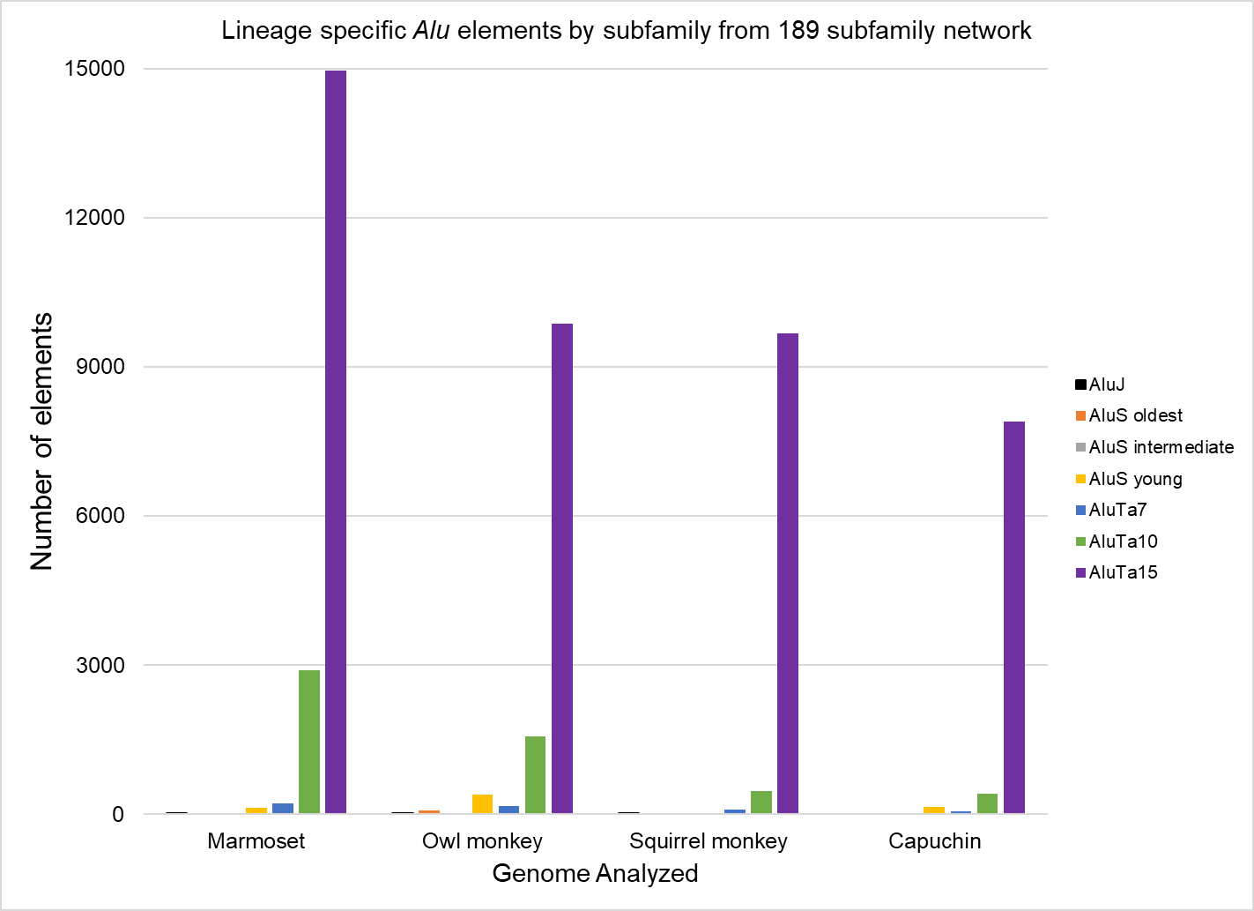
A.

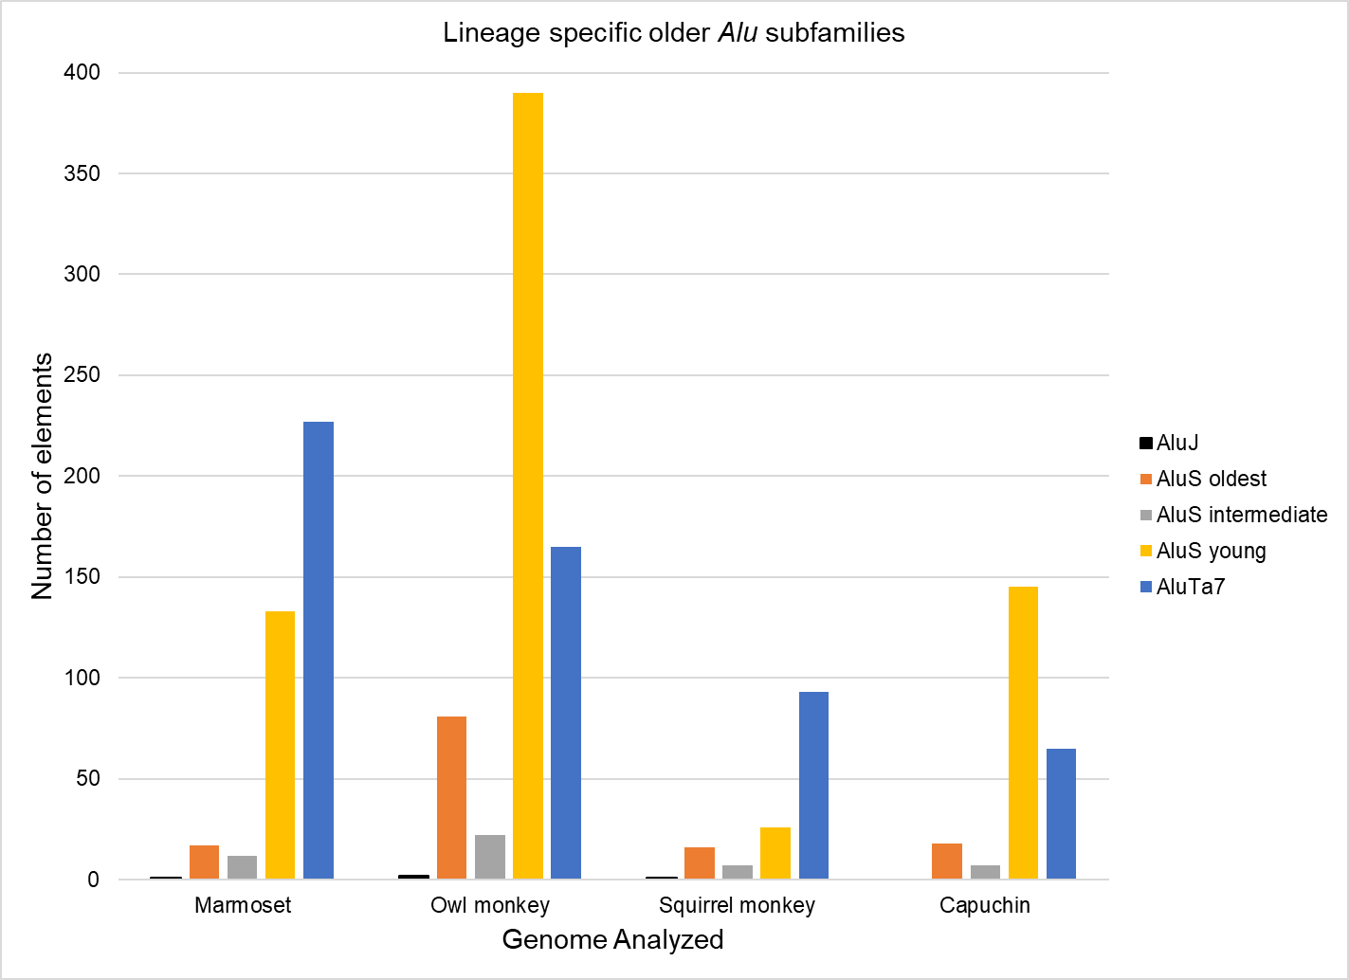
B.

Figure S1. Lineage specific Alu elements by subfamily, as compared to the other three genomes. This chart is based on data obtained from Table S4 and the assembled framework of 189 Alu subfamilies from four platyrrhine genomes.A) Includes all subfamiles and illustrates that AluTa15 and its derivatives make up the vast majority of lineage specifici Alu insertions in these four genomes. B) Same data from Table S4 is used but only the oldest subfamilies are graphed, with Ta10 and Ta15 omitted, to better visualize the contributions of these lesser represented lineage specific subfamilies.

